Map to the Range Pg 5
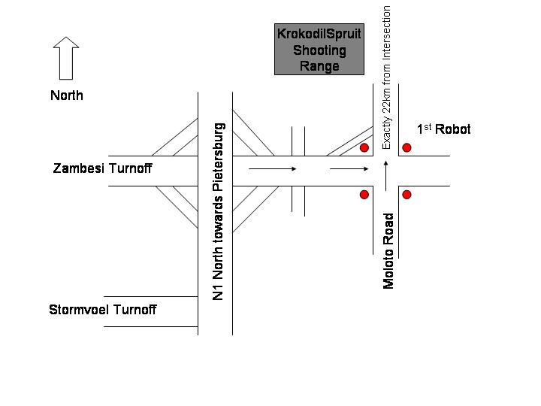
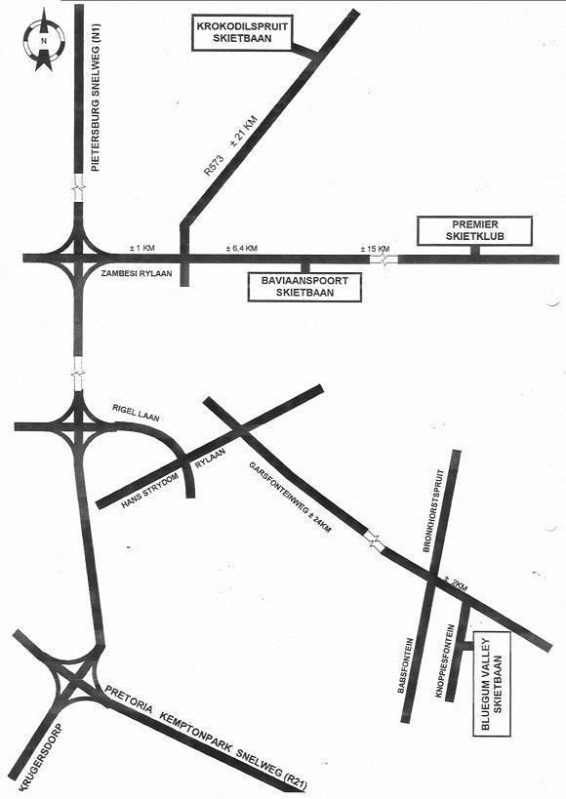

This area is enlarged at the bottom of this drawing

